Instructions
Instructions for the Data Set Template

When you open the spreadsheet click on Enable Content

Start the data entry process by addressing each column in the spreadsheet. Any required columns that are not addressed will cause the spreadsheet to be returned to you for further information.

Special Notes on the Columns

1. A definition of some of the columns can be found by clicking on the column title

2. All Columns in RED are required unless covered below:

2.a. Contains Critical Infrastructure Information?: Other Text - only required if you answered YES to Contains Critical Infrastructure Information?
2.b. Contains Law enforcement data?: Other Text - only required if you answered YES to Contains Law enforcement data?
2.c. Contains Control Systems / SCADA related data?: Other Text - only required if you answered YES to Contains Control Systems / SCADA related data?
2.d. Legal or Investigative Information: Other Text - only required if you answered YES to Legal or Investigative Information
2.e. Sensitive as to Confidentiality?: Other Text - only required if you answered YES to Sensitive as to Confidentiality?
2.f. Sensitive as to Integrity?: Other Text - only required if you answered YES to Sensitive as to Integrity?
2.g. Sensitive as to Availability?: Other Text - only required if you answered YES to Sensitive as to Availability?

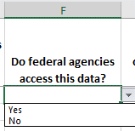
3. Columns with drop down values are supplied for ease of data entry. Most of the columns are single entry selection:

4. Several columns allow for multiple selections: PII, PMI, PHI, FERPA, FTI, PCI and Intelectual Property
4.a. Make the first selection, and click on the drop down to add additional information. Each entry will be separated by a semicolon (;)
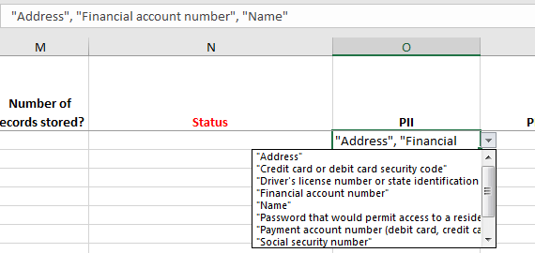

NOTE: If you select None of the above, do NOT select any other values in the drop down, or the spreadsheet will be returned to you for corrections.

5. Date entry fields require a formated date greater than 01/01/1956

6. Numeric entry fields will only allow numbers from 0 up to 999,999

7. Error messages will appear if an entry does not match the allowable data:

If you questions on this spreadsheet, please contact commonwealthsecurity@vita.virginia.gov

